Charts
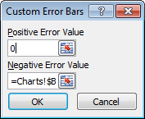
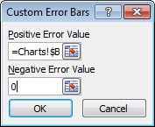
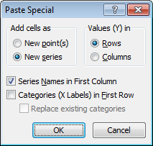
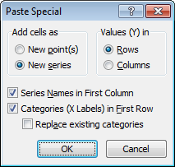
 | alpha | beta | gamma | delta | Companion workbook to
Count | 20 | 20 | 20 | 20 | Excel Box and Whisker Diagrams (Box Plots)
Mean | 9.24 | 11.87 | 11.30 | 10.13 | http://peltiertech.com/WordPress/excel-box-and-whisker-diagrams-box-plots/
SD | 3.56 | 3.95 | 6.16 | 4.65
Min | 3.88 | 6.36 | 1.62 | 0.57
Q1 | 6.85 | 9.00 | 7.05 | 6.37
Median | 8.29 | 10.33 | 10.22 | 10.96
Q3 | 11.59 | 14.94 | 16.90 | 13.99
Max | 15.24 | 19.17 | 23.72 | 17.18
Bottom | 6.85 | 9.00 | 7.05 | 6.37
2Q Box | 1.44 | 1.32 | 3.16 | 4.59
3Q Box | 3.30 | 4.61 | 6.68 | 3.04
Whisker- | 2.97 | 2.64 | 5.43 | 5.80
Whisker+ | 3.65 | 4.23 | 6.82 | 3.19
Offset | 0.50 | 1.50 | 2.50 | 3.50

 | alpha | beta | gamma | delta
 | 14.67 | 17.40 | 10.14 | 6.42
 | 10.06 | 17.15 | 1.62 | 17.18
 | 8.26 | 19.17 | 20.25 | 10.91
 | 6.95 | 9.83 | 5.92 | 6.80
 | 5.05 | 8.26 | 9.68 | 6.22
 | 11.47 | 8.18 | 17.46 | 5.53
 | 11.95 | 12.07 | 7.43 | 4.88
 | 3.88 | 17.28 | 17.78 | 4.86
 | 8.31 | 9.05 | 10.22 | 14.21
 | 6.54 | 6.36 | 23.72 | 6.62
 | 4.48 | 7.40 | 2.65 | 15.73
 | 8.79 | 14.20 | 8.29 | 12.70
 | 10.97 | 9.86 | 3.35 | 14.94
 | 8.15 | 18.08 | 17.99 | 13.43
 | 7.13 | 11.75 | 10.21 | 8.63
 | 15.14 | 10.29 | 5.45 | 13.92
 | 7.67 | 9.79 | 10.94 | 0.57
 | 15.24 | 10.36 | 13.73 | 12.69
 | 14.08 | 8.86 | 12.42 | 15.36
 | 6.07 | 12.06 | 16.71 | 11.00

